1. Title Page
[Instacart Grocery Basket Analysis]

Project Name: Instacart Basket Analysis
Date: 20/07/2022
Analyst Name: Ibrahim Adesina Lawal

Contents:
Population Flow
Consistency checks
Wrangling steps
Column derivations
Visualizations
Recommendations

Objective:
Instacart is an online grocery store that operates through an app. Instacart already has very good sales, but they want to uncover more information about their sales patterns. Your task is to perform an initial data and exploratory analysis of some of their data in order to derive insights and suggest strategies for better segmentation based on the provided criteria.

Context:
The Instacart stakeholders are most interested in the variety of customers in their database along with their purchasing behaviors. They assume they can't target everyone using the same methods, and they’re considering a targeted marketing strategy. They want to target different customers with applicable marketing campaigns to see whether they have an effect on the sale of their products. My analysis will inform what this strategy might look like to ensure Instacart targets the right customer profiles with the appropriate products.

Data Sources

1. Customers Data set
2. Data Dictionary
3. Citation (required in your final report): “The Instacart Online Grocery Shopping Dataset 2017”, Accessed from https://www.instacart.com/datasets/grocery-shopping-2017 on June 15, 2022

2. Population Flow
Title page

Population flow

Exclusion flag
Condition: max_order < 5
Obervations to be removed: 1,440,295
Final total count of order_products_all: 30,964,564
Orders - Original data
Orders_product_prior - original data
Products - original data
Customers - original data
Total: 206,209
Total: 3,421,083
Total:32,434,489
Total:49,693

Orders_ after consistency check
Products - after consistency checks
Total:
3,421,083
Orders_product_prior -
after consistency checks
Total:49,693
Customers - after consistency checks
Total:206,209
Total: 32,434,489

Orders_products_combined
Orders_products_merged
Orders_products_all

Total: 32,404,859
Total: 32,434,489
Total:
32,404,859

1.) The grey boxes in the first row of the population flow represent the original data sets as they were when you downloaded them. In the Total fields you need to add the count of the rows when you imported the data set into Jupyter.
2.) The second row of boxes (coloured) represents the data sets after you manipulated them, e.g., removed missing values and duplicates. In the Total fields you need to add the count of the rows after conducting these operations. This offers a visual oveview of how the data flows throughout the data consistency checks.
3.) The third row, where also the arrows are coloured, represents the merges you performed between the datasets. In the Total fields you need to add the count of the rows in the merged datasets, so that you end up with the final dataset (in the red box). Keep in mind the final dataset should be without exclusions (based on the exclusion flag).

3. Consistency checks
 |  |  |  | Title page
Consistency checks

Dataset | Missing values | Missing values treatment | Duplicates
orders | days_since_prior_order : 206,209 values | Created flag and assigned "new customer" for customer with no prior order
products | "product_name" - 16 values | dropped the missing values from the dataframe | 5 duplicates
orders_products_prior | No missing Values
customers | "first_name" - 11,259 values | The column was dropped to maintain the PII directives

4. Wrangling steps
 |  |  |  | Title page
Wrangling steps

Columns dropped | Columns renamed | Columns' type changed | Comment/Reason
"eval_set" |  |  | The column is not needed
 | "order_dow" |  | The column was renamed for clarity
 |  | "order_id" | change from numeric to string (unique id)
 |  | "user_id" | change from numeric to string (unique id)
"unamed: 0" |  |  | not needed
"_merge" |  |  | not needed
 | "First_Name" |  | column renamed for consistency
 | "Last_Name" |  | column renamed for consistency
 | "Gender" |  | column renamed for consistency
 | "STATE" |  | column renamed for consistency
 | "Age" |  | column renamed for consistency
 | "n_dependents" |  | column renamed for consistency and clarity
 | "fam_status" |  | column renamed for consistency and clarity
"first_name" |  |  | Personal Identifiable information
"last_name" |  |  | Personal Identifiable information

5. Column derivations
 |  |  |  | Title page

Column derivations and aggregations

In this tab you should add tables below that the frequences of flags/label variables that you produced after deriving them. NB: don't do this for continuous variables, only for flags.
Dataset | New column | Column/s it was derived from | Conditions
orders_wrangled | no_prior_orders | number_of_orders_placed | number_of_orders_placed = 1
orders_products_merged | busiest_days | orders_day_of_week | busiest days = 0,1 least busiest days = 4,3 regularly busy = all others
orders_products_merged | busiest_hours | order_hour_of_day | Most orders = 10,11,14,15,13,12,16,9 Fewest orders = 3,4,2,5,1 Average orders = all others
orders_products_merged | price_label | prices | Low range product = prices <= 5 Mid range product = 5 < prices <=15 High range product = prices > 15
orders_products_busiest_hours_days | max_order | user_id, number_of_orders_placed | maximum number of orders placed by customer
orders_products_busiest_hours_days | loyalty_flag | max_order | Loyal customer = max_order > 40 Regular customer = 10 <max_order <=40 New customer = max_order <= 10
orders_products_busiest_hours_days | avg_price | user_id, prices | The average price of orders by customer
orders_products_busiest_hours_days | spender_flag | avg_price | High spender = avg_price >= 10 Low spender = avg_price < 10
orders_products_busiest_hours_days | med_frequency | user_id, days_since_prior_order | median days since prior order by customer
orders_products_busiest_hours_days | frequency_flag | med_frequency | Frequent customer = med_frequency = 10 Regular customer = 10 < med_frequency <= 20 Non-frequent customer = med_frequency > 20
orders_products_customers_merged | region | state | Northeast = 'Maine','New Hampshire','Vermont','Massachusetts' ,'Rhode Island','Connecticut','New York','Pennsylvania','New Jersey' Midwest = 'Wisconsin','Michigan','Illinois','Indiana','Ohio','North Dakota', 'South Dakota','Nebraska','Kansas','Minnesota','Iowa','Missouri' South = 'Delaware','Maryland','District of Columbia','Virginia','West Virginia', 'North Carolina','South Carolina','Georgia','Florida','Kentucky','Tennessee',' Mississippi','Alabama','Oklahoma','Texas','Arkansas','Louisiana' West = all others
orders_products_customers_merged | spender_activity_flag | max_order | Normal activity spender = max_order >= 5 Low activity spender = max_order < 5
orders_products_customers_activity | profile | income, age, number_of_dependents, department_id, marital_status | Young professional = income > 50,000 & age <= 30 Wealthy retiree = income > 100,000 & age >= 65 High income parent with children = marital_status = married, income >= 100,000 and number_of_dependents >= 2 Nursing parent = department_id = 18 & number_of_dependents >= 1 Low earner with pet = number_of_dependents == 0, income <= 35,000 and department_id = 8 Single Adult = marital_status = single, number_of_dependents == 0 and department_id = 14

no_prior_orders | frequency
TRUE | 3214874
FALSE | 206209

busiest_days | frequency
Busiest days | 11864412
Least busiest days | 7624336
Regularly busy | 12916111

busiest_hours | frequency
Most orders | 21118071
Fewest orders | 377559
Average orders | 10909229

price_label | frequency
Low range product | 10126321
Mid range product | 21860860
High range product | 417678

price_label | frequency
Low range product | 10126321
Mid range product | 21860860
High range product | 417678

loyalty_flag | frequency
Loyal customer | 10284093
Regular customer | 15876776
New customer | 6243990

spender_flag | frequency
High spender | 634245
Low spender | 31770614

frequency_flag | frequency
Frequent customer | 21559853
Regular customer | 7208564
Non-frequent customer | 3636437

region | frequency
Northeast | 5722736
Midwest | 7597325
South | 10791885
West | 8292913

spender_activity_flag | frequency
High activities spender | 30964564
Low activites spender | 1440295

profile | frequency
Young professional | 5,201,290
Wealthy retiree | 5,741,763
High income with children | 4,106,547
Nursing parent | 248,169
Low earners with pet | 216
Single Adult | 36,589

6. Visualizations
 |  | Title page

Visualisations

In this tab you should include all the visualtions from Exercises 4.9 and 4.10, alongside the questions from the project brief that they answer. Include any commentary on the relationship between different variables.

 | Question 1
 | The sales team needs to know what the busiest days of the week and hours of the day are (i.e., the days and times with the most orders) in order to schedule ads at times when there are fewer orders
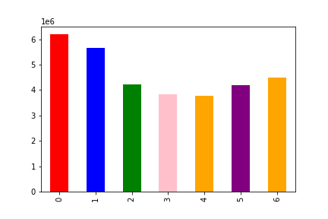
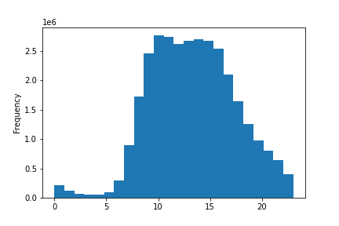

 | The busiest days of the week are Saturdays and Sundays (weekends). While the busiest hours of 9 am and 4 pm.

 | Question 2
 | They also want to know whether there are particular times of the day when people spend the most money, as this might inform the type of products they advertise at these times.
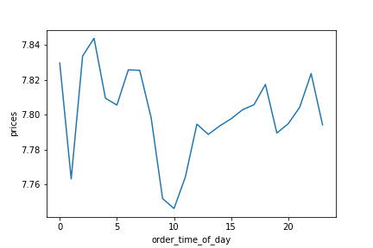

 | The amount of money spent by customers is fairly consistent throughout the day. However, there is a noticable spike in the amount of money spent between the hours of 2 - 3 am as well as 10pm.

 | Question 3
 | Instacart has a lot of products with different price tags. Marketing and sales want to use simpler price range groupings to help direct their efforts.
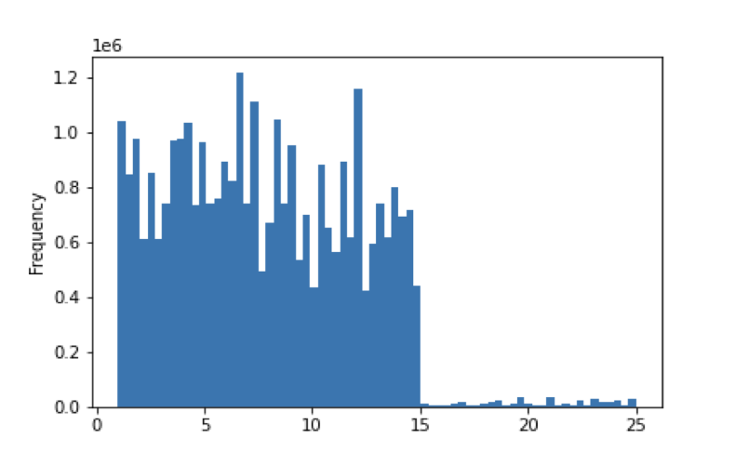
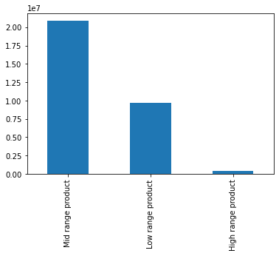

 | Mid-range receives the highest order followed by Low-range and High-range products

 | Question 4
 | Are there certain types of products that are more popular than others? The marketing and sales teams want to know which departments have the highest frequency of product orders.
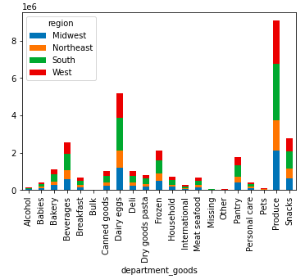

 | Produce, dairy eggs, beverages, frozen and pantry are the most popular product department in all the regions.

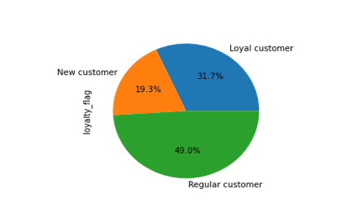
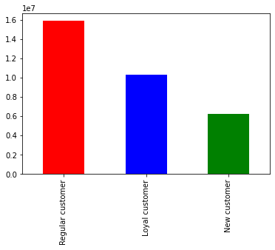
 | Question 5
 | The marketing and sales teams are particularly interested in the different types of customers in their system and how their ordering behaviors differ
 | ● What’s the distribution among users in regards to their brand loyalty (i.e., how often do they return to Instacart)?

 | More than 80% of the customers are returning customers. while 19% are new customers.

 | ● Are there differences in ordering habits based on a customer’s loyalty status?
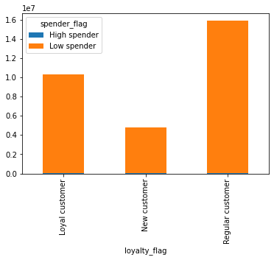
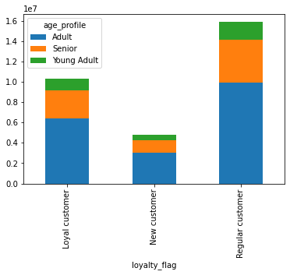

Most of the customers regardless of their loyalty are low spenders. Likewise, Adult age groups make the most of the customers.

● Are there differences in ordering habits based on a customer’s region?
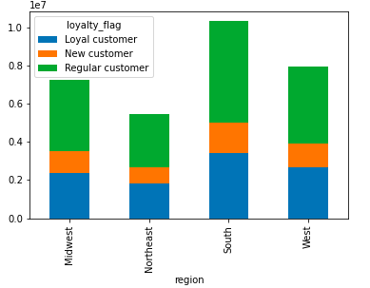

Most of the customers are located in the Southern part of the country. Likewise, Dairy and Produce are the most popular goods in all the regions

● Is there a connection between age and family status in terms of ordering habits?
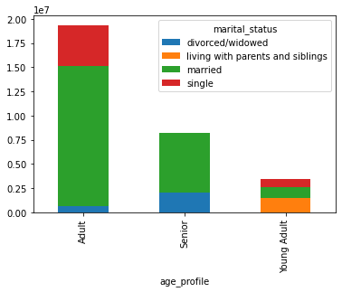

 | Most of the customers are adult customers and married, followed by senior customers (married, divorced/widowed) then, Young adults.

● What different classifications does the demographic information suggest? Age? Income? Certain types of goods? Family status?
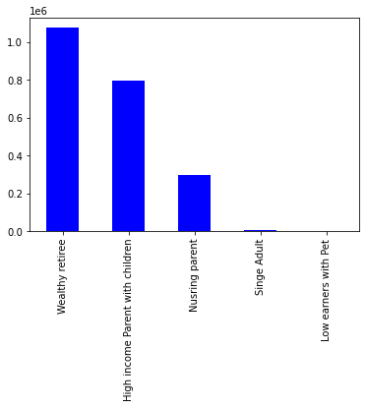

The customer profiled constitute majorly Wealthy retiree who are 65 years and above and among the upper-income earner. While Low-earners with pets are the least customer groups.

● What differences can you find in the ordering habits of different customer profiles? Consider the price of orders, the frequency of orders, the products customers are ordering, and anything else you can think of.
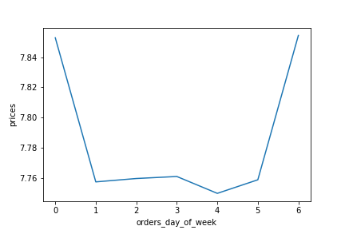
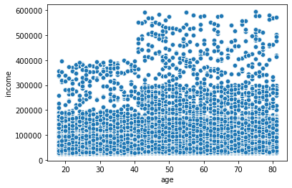

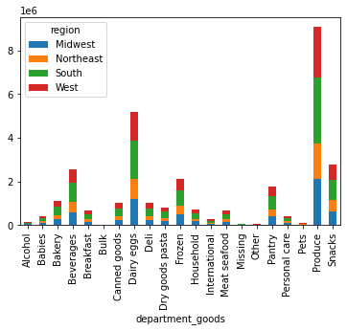
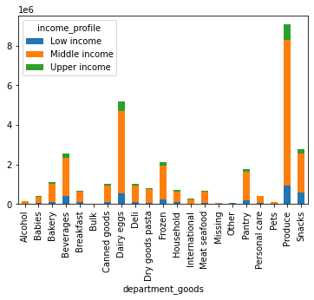

Customers aged 40 and above have the highest potential spending capability through income than those aged 40 and below. Also, customers placed the most orders on Saturdays and Sundays, Although, most of the customers are middle-income earners, Produce remains the most popular goods department.

7. Recommendations
 |  |  |  | Title page

Recommendations

In this tab you should include any recommendations you would made to Instcart in terms of their marketing strategy based on the questions posed in the brief. Every key question has been covered in the Tasks of the Exercises - here you need to add an item - a visualisation or table/crosstable that is showing the answer in the data, acompanied by a comment from you. Please, list the questions below and add the answer underneath.

 | Question
 | Key Question 1 : The sales team needs to know what the busiest days of the week and hours of the day are (i.e., the days and times with the most orders) in order to schedule ads at times when there are fewer orders.

 | Fig 1a
 |  |  | Fig1b

 | The first chart (Fig 1a) reveals the number of orders received throughout the week. Saturdays and Sundays are the days with the most orders. While Tuesdays and Wednesdays have the least orders. Similarly, the busiest hour of the day is between 9 am to 4 pm (Fig 1b). Essentially, I would recommend the sales team to schedule adverts on Tuesdays and Wednesdays in the early hours of the day or late in the evening. This are the days and time with fewest orders.

 | Key Question 2 :They also want to know whether there are particular times of the day when people spend the most money, as this might inform the type of products they advertise at these times.

 | The amount of money spent by customers is fairly consistent throughout the day. However, there is a noticeable spike in the amount spent between the hours of 2 - 3 am as well as 10 pm. Therefore, the targeted advert should be placed in the early hours of the day between 1 am and 4 pm.

 | Key Question 3: Instacart has a lot of products with different price tags. Marketing and sales want to use simpler price range groupings to help direct their efforts.

 | Fig 3a
 |  |  | Fig 3b

 | It is obvious from Fig 3a that the majority of products' sale was between the price range of $1 and $15. Therefore, I would recommend the products should be categorized into three. Those below $5 (Low-range), followed by products between $5 - $15 (Mid-range) and products above $15 (High-range). With this, the mid-range products make up the majority of the products ordered (Fig 3b)

 | Key Question 4: Are there certain types of products that are more popular than others? The marketing and sales teams want to know which departments have the highest frequency of product orders.

 | Produce is the best selling department in all the regions, followed by dairy eggs, beverages, frozen and pantry. Goods from Bulk, Missing, Pets, and Alcohol departments are amongst the department with the least orders. Essentially, specific advertisements can be targeted at departments with high orders to sustain/improve their sales. Likewise, advertisements can also be targeted to department with low sales to improve their performance

 | Key Question 5: The marketing and sales teams are particularly interested in the different types of customers in their system and how their ordering behaviors differ. For example:
 | 5.1 What’s the distribution among users in regards to their brand loyalty (i.e., how often do they return to Instacart)?

 | The majority of the customers are regular customers, followed by loyal and new customers. It is suggested that a loyalty reward program can be introduced to encourage new customers and serves as incentives for their regular and new customers.

 | 5.2 Are there differences in ordering habits based on a customer’s loyalty status?

 | Fig 5.2a |  | Fig 5.2b

 | Most of the customers regardless of their loyalty are Adults and Low spenders (Fig 5.2a & Fig 5.2b). Specific discounts can be granted to customers that spend a certain amount on a single, weekly, or monthly order. This can improve their spending habit.

 | 5.3 Are there differences in ordering habits based on a customer’s region?

 | Fig 5.3a |  | Fig 5.3b

 | The chart (Fig 5.3a) reveals that most of the customers are located in the Southern part of the country, followed by the Western, Mid-western and North-eastern part of the country. Likewise, Produce, Dairy eggs, Beverages, Snacks, and Frozen are the most popular good in all the regions (Fig 5.3b). Essentially, the ordering habits are similar in all the regions and similar advertisements that be adopted for all the regions

 | 5.4 Is there a connection between age and family status in terms of ordering habits?

 | Fig 5.4a | Fig 5.4b

 | The chart (Fig 5.4a) shows that Adult and Senior customers order the most goods. In the same vein, they also constitute the highest proportion of regular and loyal customers (5.4b). I recommended that a family-oriented marketing strategy should be employed because most of the Adult/Senior customers are married. Likewise, the breakdown of people that makes up the Young Adult should be suggested and different marketing strategy should be employed. (e.g students - student discount, young professional - free deliveries e.t.c)

 | 5.5 What different classifications does the demographic information suggest? Age? Income? Certain types of goods? Family status?

 | The customer profiled constitute majorly Wealthy retirees who are 65 years plus and among the upper-income earner. The other groups with the most customer are high-income families with children and nursing parents. While single adults and low-earners with pets are significantly theleastcustomers groups.

5.6 What differences can you find in the ordering habits of different customer profiles? Consider the price of orders, the frequency of orders, the products customers are ordering, and anything else you can think of.

Fig 5.6a |  |  | Fig 5.6b

 | The customers aged 40 and above had the highest spending capability judging from their income than those aged 40 and below (Fig 5.6a). Likewise, most of the customers are middle-income earners, with Produce and Dairy eggs remaining the most popular goods department (Fig 5.6b). Essentially, the marketing of cheap products should be targeted at younger customer groups.

